Sheet1
Attention is all you Need
1 | Reference | /04.AttentionIsAllYouNeed/1706.03762.pdf
 |  | Published on 2017
 |  | Paper Name : Attention Is All You Need
 |  | Published by Google

2 | Disadvantage in Encoder-Decoder , if the length of the sentence is very huge , it's a problem .
 | So this design will solve existing problem .
 | Idea is to remember very long sentence .

3 | Assumptions
 | - Remember it somehow
 | - Parameters to learn relations & able to retain it .

4
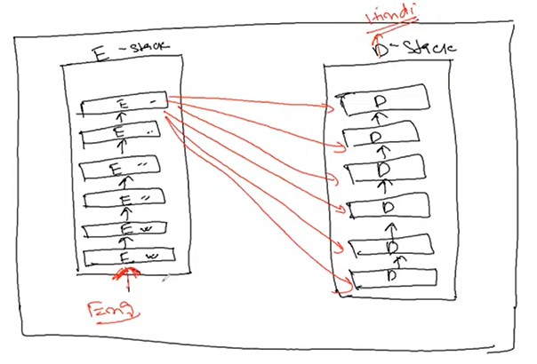
 |  |  |  |  |  |  |  |  |  | Encoder - takes input
 |  |  |  |  |  |  |  |  |  | Decoder - gives output

 |  |  |  |  |  |  |  |  |  | - Here 6 encoders and 6 decoders , but this count will keep on changing .

 |  |  |  |  |  |  |  |  |  | - Encoders and decoders are Neural Networks .

 |  |  |  |  |  |  |  |  |  | - In encoder , we might take

 |  |  |  |  |  |  |  |  |  |  | RNN
 |  |  |  |  |  |  |  |  |  |  | LSTM
 |  |  |  |  |  |  |  |  |  |  | Peephole
 |  |  |  |  |  |  |  |  |  |  | GRU
 |  |  |  |  |  |  |  |  |  |  | Deep GRU
 |  |  |  |  |  |  |  |  |  |  | Bi-LSTM
 |  |  |  |  |  |  |  |  |  |  | Stack-LSTM

 | - Here they have changed ,
 |  | Encoder is Not having base RNN
 | - So they have changed Encoder architecture .
 | - Consider only one encoder now .

5
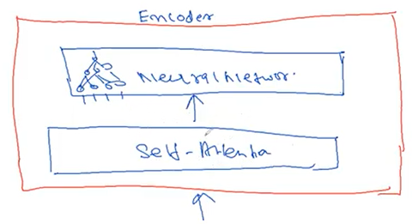

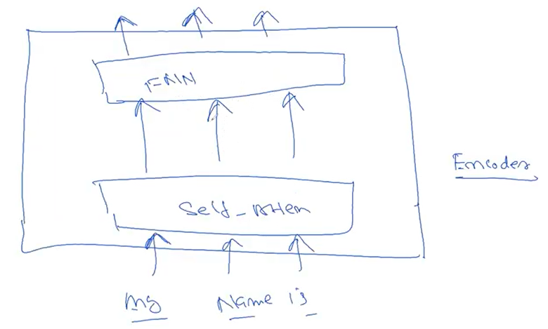
6

 |  |  |  |  |  |  |  | One Encoder

 |  |  |  |  |  |  |  | We have stack of 6-encoders .

7 | What is happening in self-attention
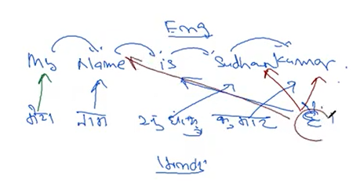

 |  | - Combination & placement of words .
 |  | - So we have to focus a lot in all words .
 |  | - We have to focus on the probability of words .

 |  | is | Jateendra |  | Kumar
 |  | 0.99 | 0.001 |  | 0.002 | probability of focus
 |  | - If words increasing , then it will be a problem .

8 | Let's see what happens in Self-Attention .

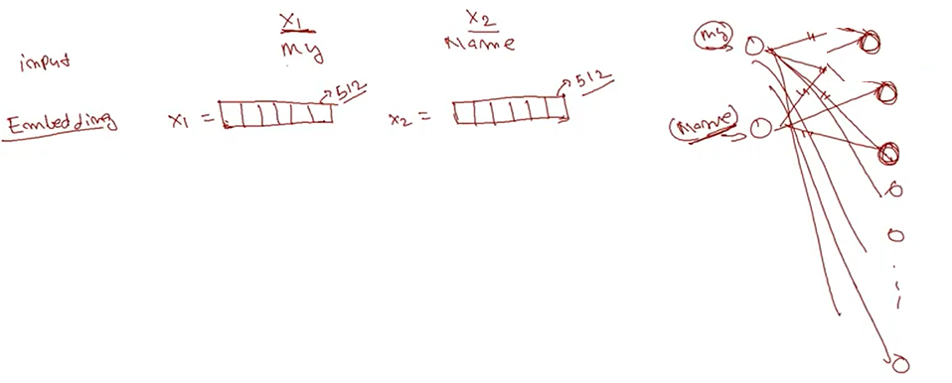

 |  |  |  |  |  |  |  |  |  |  |  |  |  |  | Self Attention is a part of encoder .

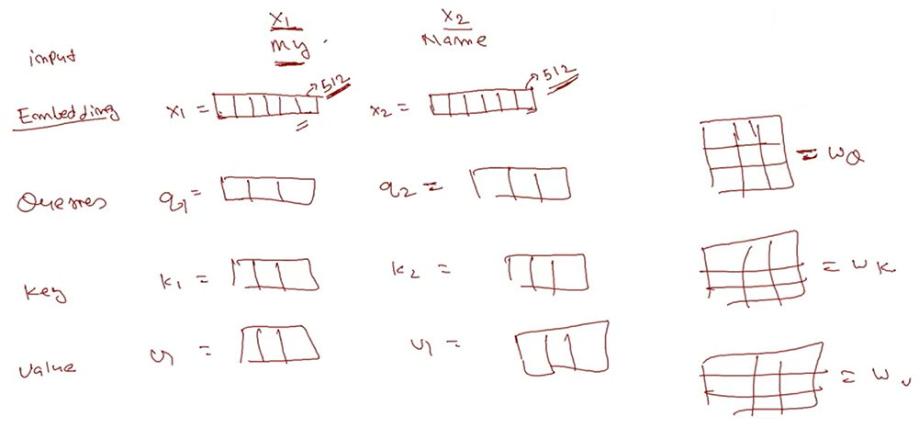

 |  | - Initial weight will be random values wq,wk,wv
 |  | - this output will be used as q1 let's suppose .

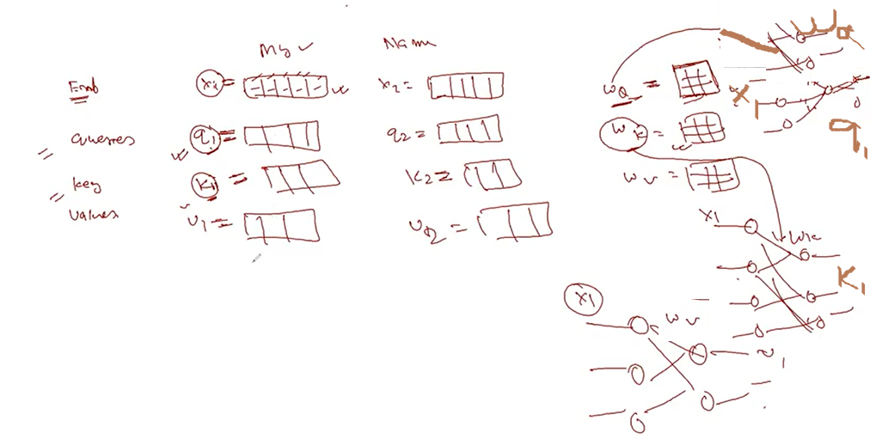

 |  | - So for same word "My" , query,key & value are independent of each other .
 |  | - weights are responsible for understanding relations .
 |  | - To make learning flexible we created 3 different NN & 3 different weights .
 |  |  | one might not be able to make the attention .
 |  | - Same input x1 ( "My" ) data but different NN for query,key & values .
 |  | - query,key & values are nothing but the output of NN & are independent of each other .
 |  | - Score

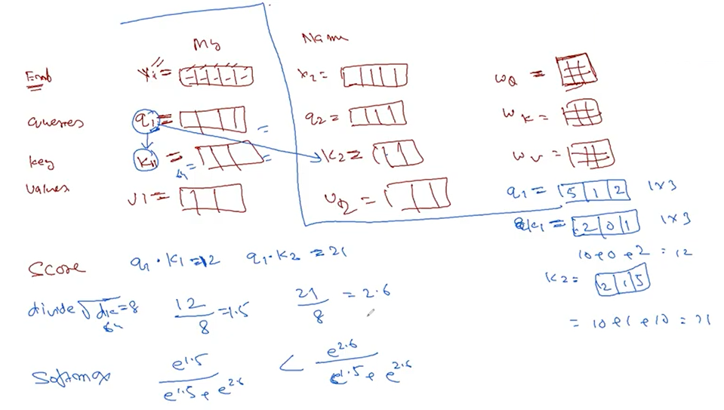

 |  |  |  |  | So "My" is more related to "Name" instead of "My" .

 |  | -
 |  | Say ,

 |  |  |  | My | Name | is | Jateendra
 |  |  |  | x1 | x2 | x3 | x4

 |  |  |  |  |  |  |  | q2 | q4
 |  |  |  |  |  |  |  | k3 | k4
 |  |  |  |  |  |  |  | v3 | v4

 |  |  |  | => q1.k1=12 |  | => q1.k2=21 |  | => q1.k3= |  | => q1.k4=

 |  |  |  | => 12/8 |  | => 21/8 |  | => -/8 |  | => -/8

 |  | => Softmax |  | - |  | - |  | - |  | -

 |  | Sameway ,
 |  |  |  |  | q2 |  | Perform same thing

 |  |  | k1 | k2 | k3 | k4

 |  | - So for one word "My" , 4 softmax values

 |  |  |  | My | Name | is | Jateendra

 |  |  |  | 4 softmax | 4 softmax | 4 softmax | 4 softmax

 |  | - Learn relation of one word with all .

 |  | - | Softmax

 |  |  | v1 | v2 | v3

 |  | - | Softmax
 |  |  | X | e 1.5/e 1.5+ e 2.6 +…. |  |  | e 2.6/e 1.5+ e 2.6 +…. |  |  | - |  | -
 |  |  | values | --------------- |  |  | ---------------
 |  |  |  | v1 |  |  | v1

 |  | -
 |  |  |  | My | Name | is | Jateendra

 |  |  | values
 |  |  |  | Summation

 |  |  |  | z1 | z2 | z3 | z4

 |  | -
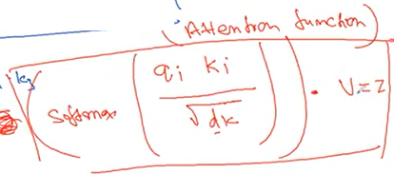
 |  |  |  |  |  |  |  |  | Output of one single word

 |  | -

 |  | - | The above is called as Single head attention

 |  | -
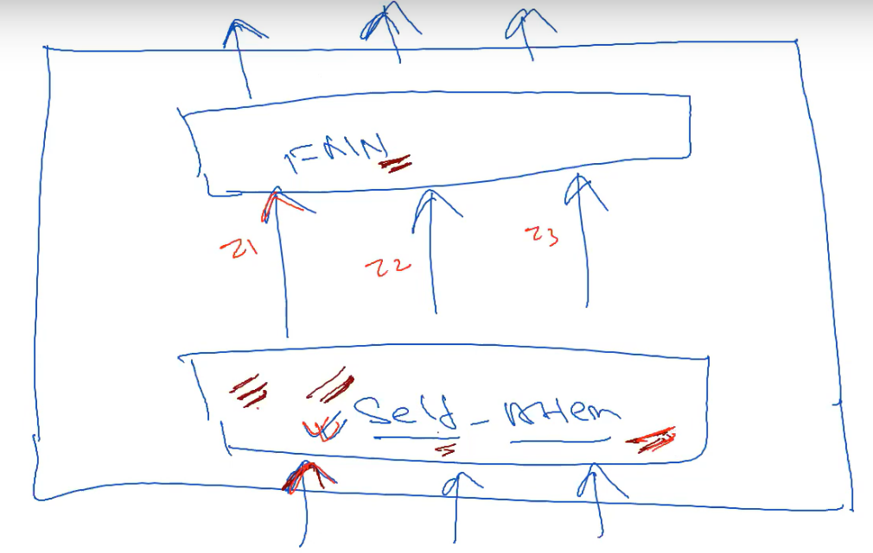

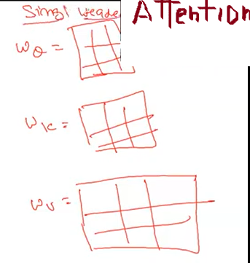
 |  | -

9 | How to produce more flexibility ?

 | By multi-headed Attention

 |  | 6 - headed attention
 |  | 8 - headed attention
 |  | 16 - headed attention
 |  | 1000 - headed attention

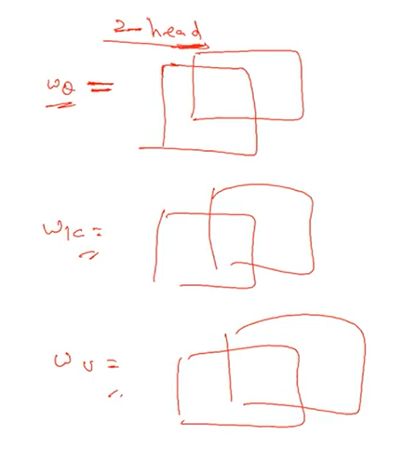
10 |  |  |  |  |  |  |  |  | one input |  |  |  | We have to learn various aspects in a sentence
 |  |  |  |  |  |  |  |  |  |  |  |  |  | grammatical representation
 |  |  |  |  |  |  |  |  | 2 different NN |  |  |  |  | contextual
 |  |  |  |  |  |  |  |  |  |  |  |  |  | arrangement of words
 |  |  |  |  |  |  |  |  | 2 set of outputs |  |  |  |  | positioning of words

 |  |  |  |  |  |  |  |  | giving flexibility

 |  |  |  |  |  |  |  |  | more independent features

 | - | 2 headed

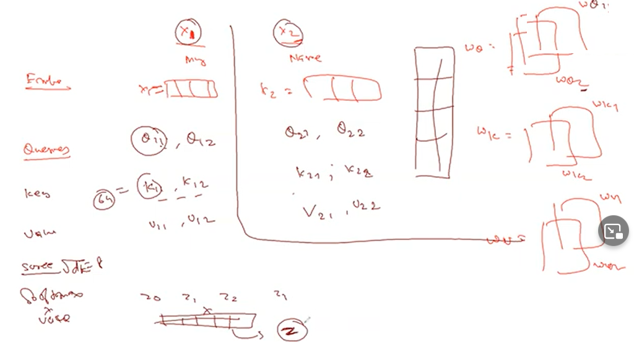

 | - What are the significance of Multi headed ?

 |  | Relationship between dataset
 |  | Multi NN

 | - Are we trying to capture positions ?
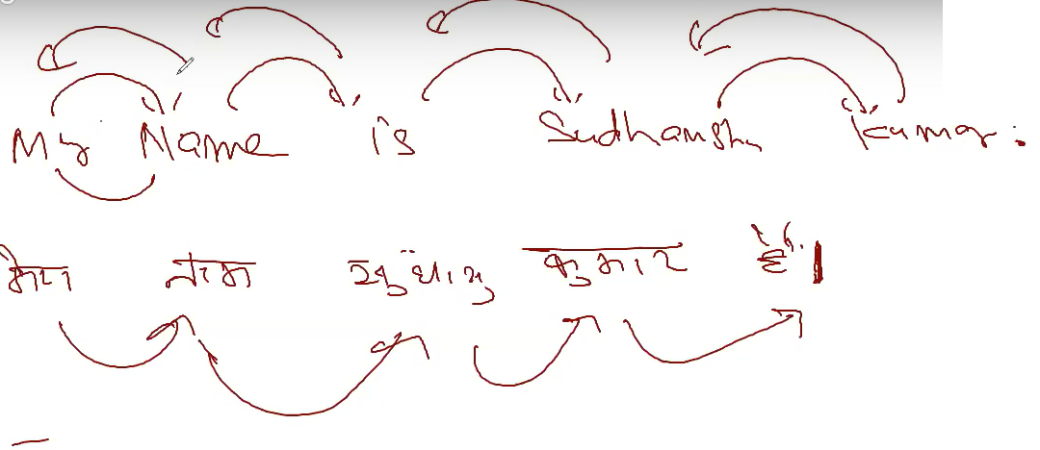

 |  |  |  |  |  |  |  |  |  |  | Where will come what arrangement .

11 | Positional Encoding

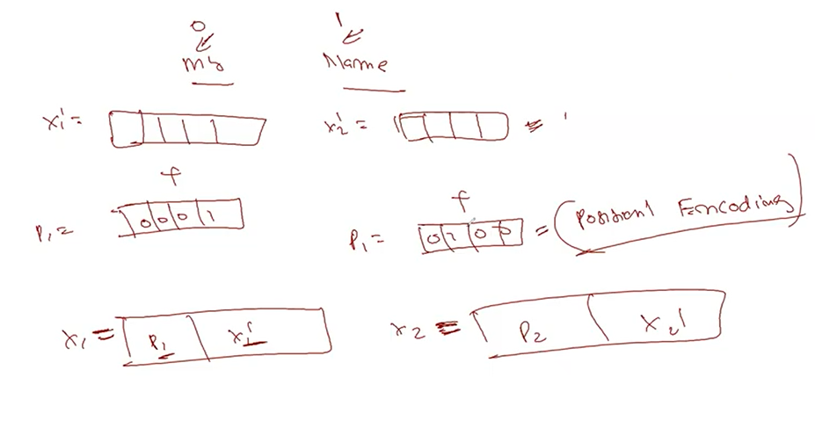

 |  | The whole concept above is new brand of Neural Network .

12 | Single Headed vs Multi-headed
 |  | One q,k,v for one word "My" and single output as z is - single headed
 |  | Two q,k,v - Multi-headed .
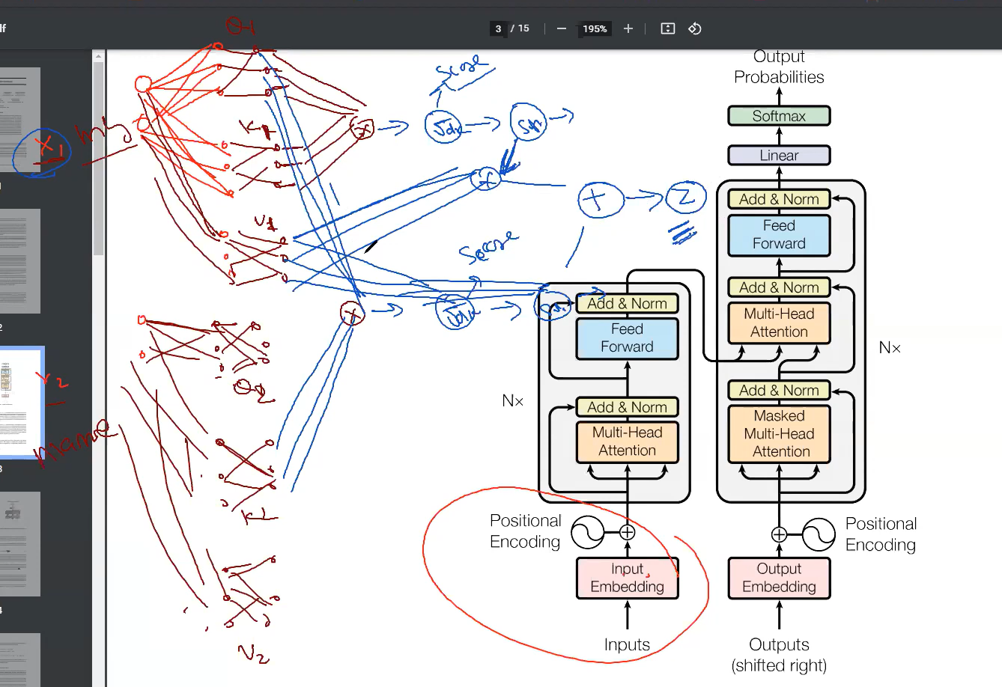

 |  |  |  |  |  | Encoders-Decoders

 |  | Refere Krish Naik's videos
 |  |  |  | https://www.youtube.com/watch?v=jCrgzJlxTKg

 |  |  | The encoder takes the input sequence and creates a contextual representation (which is also called context) of it and the decoder takes this contextual representation as input and generates output sequence.

 |  | Problems
 |  |  | - Encoder & Decoders ususally don't perform with Longer sentences .
 |  |  | - Research experimented & found out lower Bleu score .

